Part 2 Q2
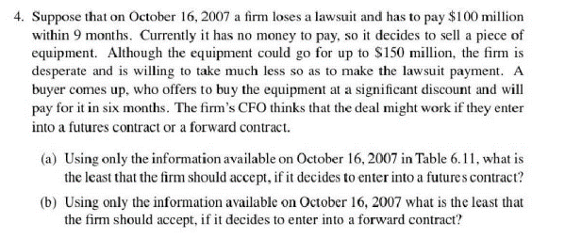

(a) | Price Table 6.11 | Future | Price
2016-10-16 | 95.39 | 4.610% | 98.86

(b) | Rate table 6.11 | Forward | Price
2016-10-16 | 4.94% | 0.9878 | 98.78

